Guide
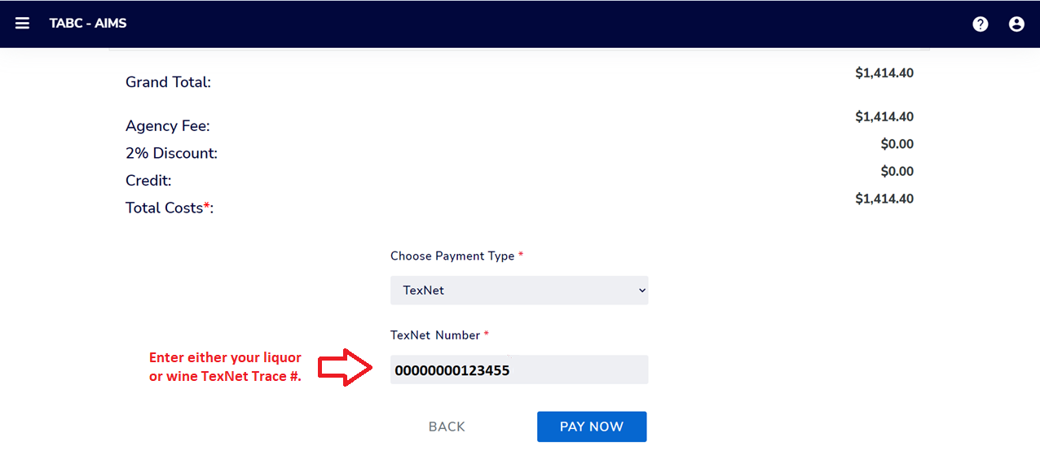
1. Identifying gallon taxable totals in AIMS.

2. Calculating your wholesaler TEXNET payments.

3. Locating your TEXNET Trace Numbers.
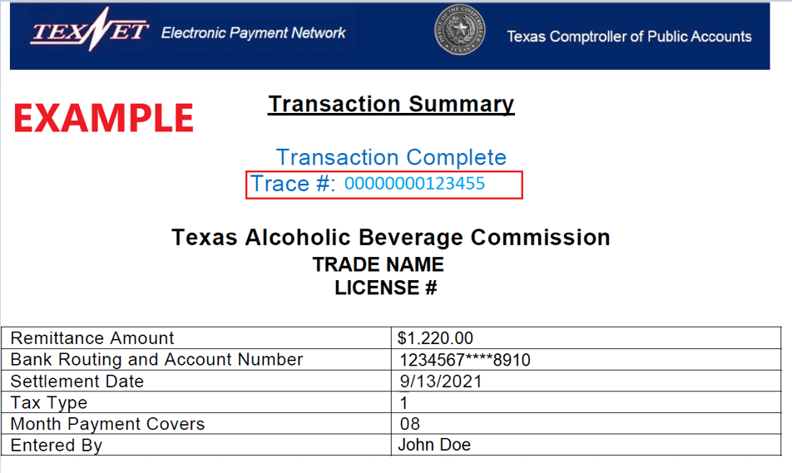
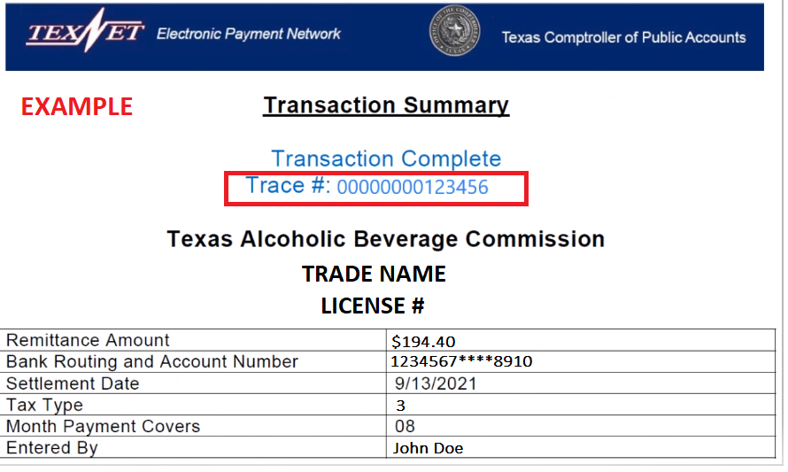

4. Inputting your TEXNET trace number in AIMS.

